Balance Sheet
 |  |  |  |  |  | Excel Sheet Made by | Amol

(all figures in Rs crores) BALANCE SHEET |  |  |  |  |  |  |  | COMMON SIZE BALANCE SHEET

Trade Payables (Manually copy from Screener.in)
Other Liabilities
TOTAL LIABILITIES

Loans & Advances (Manually copy from Screener.in)

TOTAL ASSETS

FUND FLOW ANALYSIS
 |  |  | 5 YEAR |  |  |  | 1 YEAR

Reserves

Trade Payables
Other Liabilities
TOTAL CHANGE IN LIABILITIES

Net Block + WIP

Loans & Advances

TOTAL CHANGE IN ASSETS

FROM THE LIABILITY SIDE |  | RETURN ON AVERAGE INVESTED CAPITAL (ROIC)

Operating EBIT |  |  |  |  |  |  |  | Median | Min | Max
Effective Tax Rate
Operating EBIAT

Invested Capital from the Liability Side of Balance Sheet = (Book Value of Equity + Book Value of Debt - Cash)
Invested Capital
Average Invested Capital
 |  |  |  |  |  |  |  | Median | Min | Max
ROIC (EBIAT / Average Invested Capital)
with DuPont breakup
EBIAT/Sales
Sales/Av Invested Capital

FROM THE ASSET SIDE |  | RETURN ON AVERAGE INVESTED CAPITAL (ROIC)
The section below breaks down ROIC into various components and thus allows us to use just one ratio-ROIC to measure it ALL operational parameters!
However it is helpful if you read a short note on this before using this section. |  |  |  | Click HERE | to read this short note
Please Manually Input the Trade Payables Data in 'Row 8' above from Screener.in BEFORE using this section

 |  | DATA NEEDED TO CALCULATE ROIC FROM THE ASSET SIDE
Net Working Capital
Average Net Working Capital
 |  |  |  |  |  |  |  | Median | Min | Max
Av Working Capital/Sales
Av Working Capital Turnover

Fixed Asset
Average Fixed Assets

Av Fixed Assets/Sales
Av Fixed Asset Turnover

Average Invested Capital from the Asset Side of Balance Sheet = Average Net Block & CWIP + Average Net Working Capital
Average Invested Capital

 | RETURN ON AVERAGE INVESTED CAPITAL (ROIC) with DETAILED BREAK-UP

 |  |  |  |  |  |  |  | Median | Min | Max | Chart of Op. EBIT Margin
Operating EBIT Margin
Gross Margin
- SG&A & Others
- Depreciation
 |  |  |  |  |  |  |  |  |  |  | Chart of Sales/Av Invested Capital
Sales/Av Invested Capital
Sales/Av Invested Capital is further broken down into Fixed Asset Turnover and Working Capital Turnover as below:

Av Fixed Asset Turnover

Av Working Capital Turnover
Average Inventory Days |  |  |  |  |  |  |  | Note: Inventory Days and Payable Days are calculated using Sales & not COGS
Average Receivable Days
Average Payable Days
Average Working Capital Cycle Days
 |  |  |  |  |  |  |  | Median | Min | Max | Chart of ROIC Pre-Tax
ROIC Pre-Tax

Effective Tax Rate
ROIC

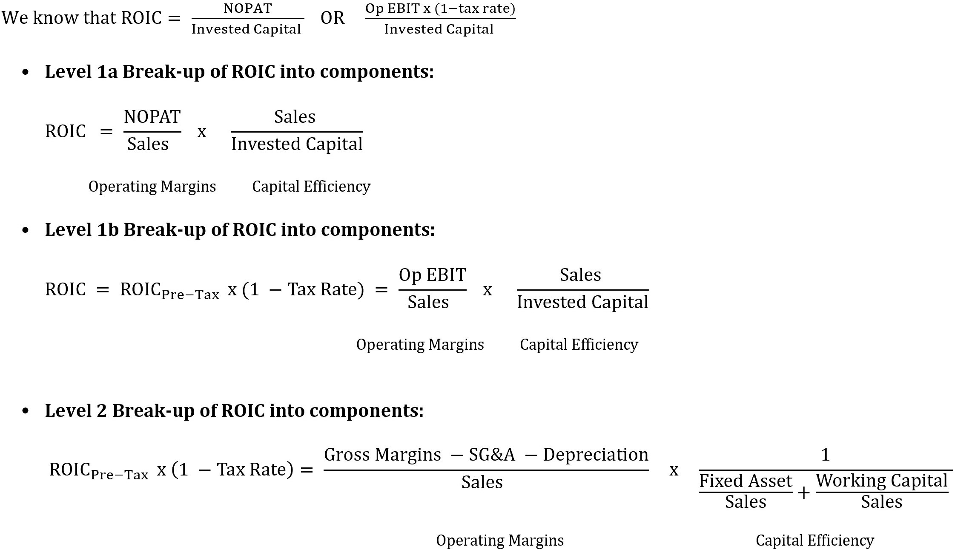
NOTES:
1) The formula used for breaking up ROIC into its components is given in the adjacent image

2) To correctly calculate ROIC you need to several adjustments such as Identifying operating assets,
Capitalizing Operating & Financial Expenses, removing one-time & extra-ordinary items, adjusting taxes, etc
These adjustments are ESSENTIAL to get a correct measurement of ROIC or any other return such as ROE, ROA,
ROCE, etc. However, to do the same we need more granular level data from the Annual Report
HENCE, ROIC calculated without adjustments are ROUGH ESTIMATES of the actual return

ROIC & ROE Predictor
 | Input ONLY in Cells denoted as:

 |  | ROIC ESTIMATOR
 | Calculate the impact of ROIC of a company using your estimates of margins, tax and capital efficiency ratios

 |  |  |  | Historical Data of 9 years
 | Operating EBIT MARGIN |  |  | Median | Min | Max
 | Gross Margin
 | - SG&A & Others |  | Input % as a negative number
 | - Depreciation |  | Input % as a negative number
1 | Operating EBIT Margin

 | Sales/Av Invested Capital
 | Fixed Asset Turnover

 | Working Capital Turnover
 | Average Inventory Days
 | Average Receivable Days
 | Average Payable Days
 | Average Working Capital Cycle Days
2 | Sales/Av Invested Capital

 | ROIC Pre-Tax ( 1 x 2)

 | Effective Tax Rate | 25%
 | ROIC (Post Tax)

 | 1) Refer to the historical ranges of these inputs so that you make more informed estimates.
 | It is very much possible that you can have estimates higher/lower than the historical ranges.
 | But you should have strong reasons for doing so
 | 2) Remember that these historical numbers are without adjustments as stated in the previous tab

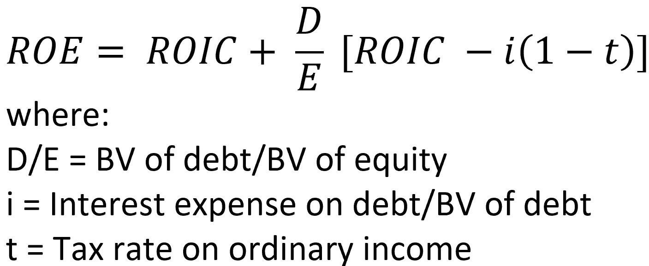
 |  | CONVERTING ROIC TO ROE
 |  |  |  | Historical Data of 9 years
 |  |  |  | Median | Min | Max
 | Debt / Equity
 | Interest / Book Value of Debt
 | Tax Rate | 25%
 | ROE

 | NOTES:
 | 1) The adjacent formula is used to convert ROIC (calculated from above) into ROE

