Sheet1
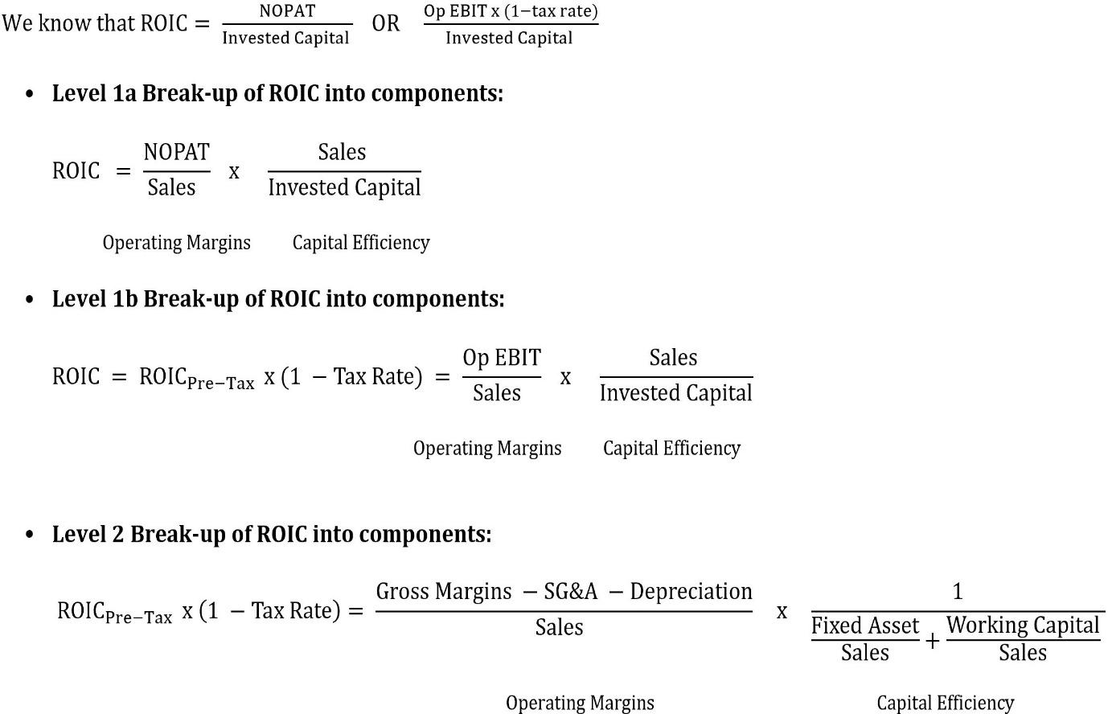
ROIC PREDICTOR
Calculate the impact of ROIC of a company using your
estimates of margins, tax and capital efficiency ratios

Input ONLY in Cells denoted as:

Operating EBIT Margin | 0%
Gross Margin
- SG&A & Others |  | Input % as a negative number
- Depreciation |  | Input % as a negative number

Sales/Av Invested Capital | -
Fixed Assets / Sales

Working Capital /Sales | 0%
Average Inventory Days
Average Receivable Days
Average Payable Days
Average Working Capital Cycle Days | -

ROIC Pre-Tax | 0%

Effective Tax Rate
ROIC | 0%

NOTES:
The formula used for breaking up ROIC into its components is given in the image below:

