Current Loans and NPA-COVID
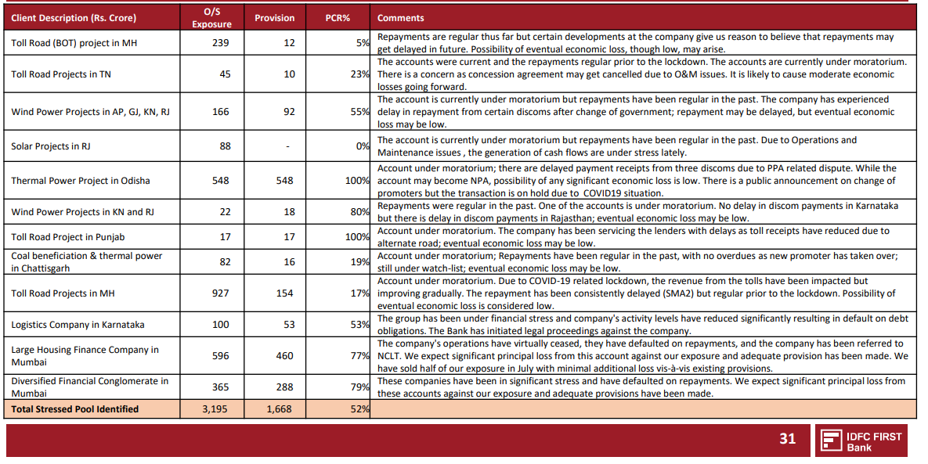
 |  | (FIGURES IN CRORES) |  |  |  |  |  | Stressed Pool
Loan Breakup: |  | Note: Expected Calculated taking both Base and Bear Case to have 50% Probability
Rationale
Using RBI's Financial Stability Report Baseline Increase in GNPA Modelled and If Sector is More Affected then GNPA to be higher
Type | Quantum | Expected GNPA | LGD |  | Provisions for Current Book
Mortgage Loans | 20288 | 8.00% | 0.1 | (Collateralized Loans) | 162.304
Consumer Loans | 19211 | 8.00% | 0.75 | (No collateral) | 1152.66
MSME Loans | 9775 | 8.00% | 0.3 | (Collateralized Loans) | 234.6
Rural Micro Finance | 6769 | 8.00% | 0.75 | (No collateral) | 406.14
Emerging Large Corporates | 6411 | 8.00% | 0.3 | (Collateralized Loans) | 153.864
Large Corporates | 1832 | 8.00% | 0.3 | (Collateralized Loans) | 43.968
Financial Institutions | 12036 | 8.00% | 0.75 | (No collateral) | 722.16
Infrastructure | 13416 | 8.00% | 0.25 | (Collateralized Loans) | 268.32
Others | 14310 | 8.00% | 0.5 | (No collateral) | 572.4
 |  |  |  | Total= | 3716.416

Provisioning for the Loan Losses to be as follows( Most Covid Losses to be front loaded while Some part of the Book's Stress will reflect later)
 | Covid Provisioning % | COVID Losses | Normal Provisions(See A76 for Details) | Total=
FY 21 | 75% | 2787.312 | 1040.5 | 3827.812
FY 22 | 25% | 929.104 | 1643.541 | 2572.645 |  | RBI Projection of GNPA movement- July 2020 Financial Stability Report
FY 23 | 0% | 0 | 2430.9296 | 2430.9296
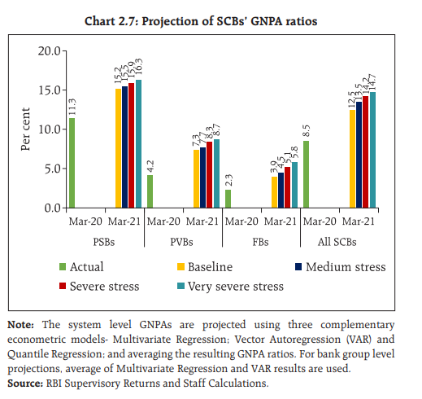
FY 24 | 0% | 0 | 2853.10766 | 2853.10766

GNPA Model
Erstwhile Capital First has had a very stable GNPA and NNPA profile over a very seasoned portfolio
Credit Quality Deterioration in the Retail Loanbook are Expected to be less severe than what the RBI expects for the overall Private Sector Banks
Yet we will assume it to be equal to the PVB GNPA for conservatism and since Retail Loans are expected to be heavily affected
Overall PVB GNPA= |  |  | 4.20%

Due to Covid Stress Expected GNPA |  |  | BaseCase | Very Severe Case
Overall PVB |  |  | 7.30% | 8.70%
Retail Portfolio of CF/IDFC First Bank= |  |  | 7.30% | 8.70%
WholeSale Portfolio= |  |  | 7.30% | 8.70%
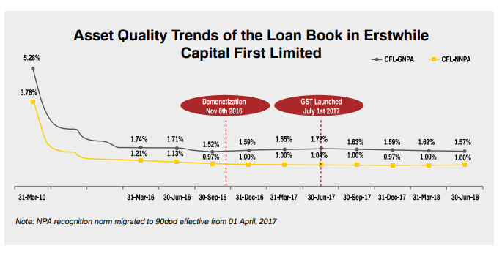

 |  |  |  |  |  | PVBs= | Private Sector Banks

Overall GNPA |  |  |  |  |  | Retail Portfolio GNPA

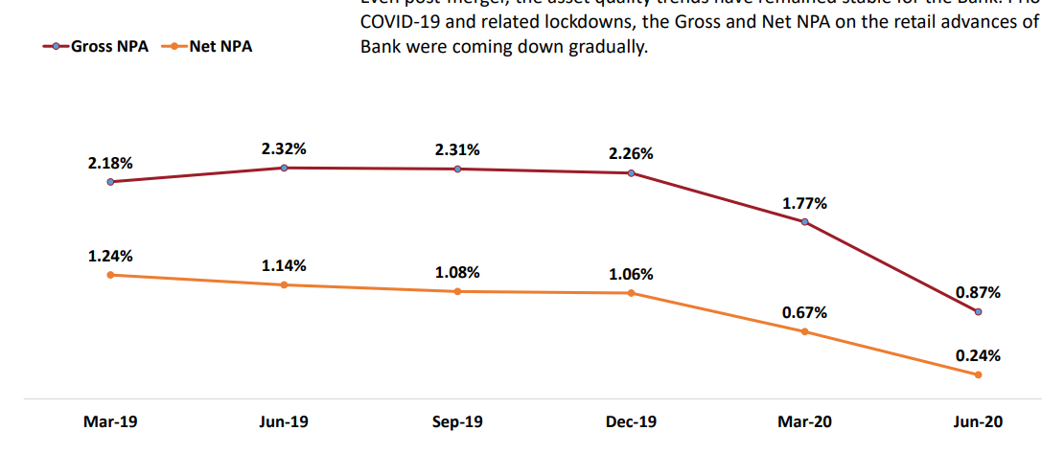

Normalised Provisions
Assumed as 2% of Loan Book
These have been taken to Make the Model Conservative and to account for Ongoing Business Credit Losses
These are in line with Provisions done by Capital First in the last 2 years of existence.
Out of the Bank's Legacy Watchilist Provisions for 50% of the exposure have been done. I expect this to be suffcient

