ARIPIPRAZOLE (U.S.)
Export Data of Aripiprazole to United States (for April-May-June 2015) |  |  | Source: | https://www.zauba.com/export-aripiprazole/fp-united+states/p-1-hs-code.html

Date | HS Code | Description | Destination | Port of Loading | Unit | Quantity | Value (INR) | Per Unit (INR)
27-Jun-15 | 30049099 | ARIPIPRAZOLE TABS 15MG, 30 TABS.- OTHERS | United States | Bombay Air Cargo | PAC | 48,108 | 201,834,464 | 4,195 | June | 2,669,805,218
26-Jun-15 | 30049099 | ARIPIPRAZOLE TABS 20MG, 30 TAB. - OTHERS | United States | Bombay Air Cargo | PAC | 15,942 | 94,793,360 | 5,946 | May | 7,207,401,107
26-Jun-15 | 30049099 | ARIPIPRAZOLE TABS 15MG, 30 TAB. - OTHERS | United States | Bombay Air Cargo | PAC | 16,290 | 68,343,800 | 4,195 | April | 7,167,730,580
22-Jun-15 | 30049099 | ARIPIPRAZOLE TABS 10MG, 30 TABS. OTHERS | United States | Bombay Air Cargo | PAC | 31,272 | 131,852,232 | 4,216 |  | 17,044,936,905
22-Jun-15 | 30049099 | ARIPIPRAZOLE TABS 5MG, 30 TABS. OTHERS | United States | Bombay Air Cargo | PAC | 14,976 | 63,257,820 | 4,224
20-Jun-15 | 30049099 | ARIPIPRAZOLE TABS 10MG, 30 TABS. OTHERS | United States | Bombay Air Cargo | PAC | 32,328 | 136,304,640 | 4,216
20-Jun-15 | 30049099 | ARIPIPRAZOLE TABS 5 MG, 30 TABS. OTHERS | United States | Bombay Air Cargo | PAC | 49,350 | 208,451,792 | 4,224
17-Jun-15 | 30049099 | ARIPIPRAZOLE TABS 2 MG, 30T, TRIGEN US NDC NO.13811 679 30 OTHERS | United States | Bombay Air Cargo | PAC | 27,648 | 116,889,360 | 4,228
17-Jun-15 | 30049099 | ARIPIPRAZOLE TABS 5 MG, 30T, TRIGEN US NDC NO.13811 680 30 OTHERS | United States | Bombay Air Cargo | PAC | 31,902 | 134,752,352 | 4,224
15-Jun-15 | 30049099 | ARIPIPRAZOLE TABS 2 MG, 30T, TRIGEN US NDC NO.13811 679 30 OTHERS | United States | Bombay Air Cargo | PAC | 3,924 | 16,589,769 | 4,228
15-Jun-15 | 30049099 | ARIPIPRAZOLE TABS 5 MG, 30T, TRIGEN US NDC NO.13811 680 30 OTHERS | United States | Bombay Air Cargo | PAC | 31,950 | 134,955,104 | 4,224
12-Jun-15 | 29420090 | ARIPIPRAZOLE | United States | Bombay Air Cargo | KGS | 0 | 319 | 3,185
12-Jun-15 | 29420090 | ARIPIPRAZOLE | United States | Bombay Air Cargo | KGS | 0 | 319 | 3,185
11-Jun-15 | 29420090 | ARIPIPRAZOLE TABLETS 30MG | United States | Bombay Air Cargo | NOS | 120 | 127 | 1
11-Jun-15 | 29420090 | ARIPIPRAZOLE TABLETS 10MG | United States | Bombay Air Cargo | NOS | 120 | 127 | 1
11-Jun-15 | 29420090 | ARIPIPRAZOLE TABLETS 30MG | United States | Bombay Air Cargo | NOS | 120 | 127 | 1
11-Jun-15 | 29420090 | ARIPIPRAZOLE TABLETS 30MG | United States | Bombay Air Cargo | NOS | 120 | 127 | 1
11-Jun-15 | 29420090 | ARIPIPRAZOLE TABLETS 5MG | United States | Bombay Air Cargo | NOS | 120 | 127 | 1
11-Jun-15 | 29420090 | ARIPIPRAZOLE TABLETS 5MG | United States | Bombay Air Cargo | NOS | 120 | 127 | 1
11-Jun-15 | 29420090 | ARIPIPRAZOLE TABLETS 5MG | United States | Bombay Air Cargo | NOS | 120 | 127 | 1
11-Jun-15 | 29420090 | ARIPIPRAZOLE TABLETS 20MG | United States | Bombay Air Cargo | NOS | 120 | 127 | 1
11-Jun-15 | 29420090 | ARIPIPRAZOLE TABLETS 20MG | United States | Bombay Air Cargo | NOS | 120 | 127 | 1
11-Jun-15 | 29420090 | ARIPIPRAZOLE TABLETS 10MG | United States | Bombay Air Cargo | NOS | 120 | 127 | 1
11-Jun-15 | 29420090 | ARIPIPRAZOLE TABLETS 10MG | United States | Bombay Air Cargo | NOS | 120 | 127 | 1
11-Jun-15 | 29420090 | ARIPIPRAZOLE TABLETS 15MG | United States | Bombay Air Cargo | NOS | 120 | 127 | 1
11-Jun-15 | 29420090 | ARIPIPRAZOLE TABLETS 15MG | United States | Bombay Air Cargo | NOS | 120 | 127 | 1
11-Jun-15 | 29420090 | ARIPIPRAZOLE TABLETS 20MG | United States | Bombay Air Cargo | NOS | 120 | 127 | 1
11-Jun-15 | 29420090 | ARIPIPRAZOLE TABLETS 15MG | United States | Bombay Air Cargo | NOS | 120 | 127 | 1
8-Jun-15 | 30049099 | PHARMA : ARIPIPRAZOLE TABLETS 20MG (ARIPIPRAZOLE 20MG) - 1x30 TABS | United States | Bombay Air Cargo | PAC | 37,536 | 299,730,048 | 7,985
8-Jun-15 | 30049099 | PHARMA : ARIPIPRAZOLE TABLETS 5MG (ARIPIPRAZOLE 5MG) - 1x30 TABS | United States | Bombay Air Cargo | PAC | 70,848 | 398,662,976 | 5,627
8-Jun-15 | 30049099 | PHARMA : ARIPIPRAZOLE TABLETS 15MG (ARIPIPRAZOLE 15MG) - 1x30 TABS | United States | Bombay Air Cargo | PAC | 49,320 | 277,497,120 | 5,626
4-Jun-15 | 29334900 | ARIPIPRAZOLE USP - BULK DRUG | United States | Bombay Air Cargo | KGS | 3 | 276,545 | 92,490
2-Jun-15 | 29225090 | ARIPIPRAZOLE | United States | Hyderabad Air Cargo | KGS | 4 | 335,529 | 83,882
1-Jun-15 | 30049099 | ARIPIPRAZOLE TABLETS 5MG (ARIPIPRAZOLE 5MG) - 1x90 TABS | United States | Bombay Air Cargo | PAC | 2,568 | 43,033,300 | 16,758
1-Jun-15 | 30049099 | PHARMA : ARIPIPRAZOLE TABLETS 5MG (ARIPIPRAZOLE 5MG) - 1x30 TABS | United States | Bombay Air Cargo | PAC | 61,272 | 342,242,464 | 5,586
29-May-15 | 30049099 | PHARMA : ARIPIPRAZOLE TABLETS 10MG (ARIPIPRAZOLE 10MG) - 1x90 TABS | United States | Bombay Air Cargo | PAC | 5,088 | 85,490,656 | 16,802
29-May-15 | 30049099 | PHARMA : ARIPIPRAZOLE TABLETS 10MG (ARIPIPRAZOLE 10MG) - 1x30 TABS | United States | Bombay Air Cargo | PAC | 36,480 | 203,932,304 | 5,590
29-May-15 | 30049099 | PHARMA : ARIPIPRAZOLE TABLETS 10MG (ARIPIPRAZOLE 10MG) - 1x30 TABS | United States | Bombay Air Cargo | PAC | 20,664 | 115,515,600 | 5,590
26-May-15 | 30049099 | ARIPIPRAZOLE TABS 5MG (EACH UNCOATED TABS CONT : ARIPIPRAZOLE 5 MG EX. Q.S.) | United States | Bombay Air Cargo | NOS | 349,200 | 48,228,964 | 138
26-May-15 | 30049099 | ARIPIPRAZOLE TABS 5 MG (EACH UNCOATED TABS CONT : ARIPIPRAZOLE 5 MG EX. Q.S.) | United States | Bombay Air Cargo | NOS | 1,538,100 | 215,031,888 | 140
26-May-15 | 29334900 | ARIPIPRAZOLE USP - BULK DRUG | United States | Bombay Air Cargo | KGS | 1 | 47,475 | 94,950
25-May-15 | 30049099 | ARIPIPRAZOLE TABS 30MG (EACH UNCOATED TABS CONT : ARIPIPRAZOLE 30 MG EX. Q.S.) | United States | Bombay Air Cargo | NOS | 199,800 | 39,426,000 | 197
25-May-15 | 30049099 | ARIPIPRAZOLE TABS 30MG (EACH UNCOATED TABS CONT : ARIPIPRAZOLE 30 MG EX. Q.S.) | United States | Bombay Air Cargo | NOS | 1,258,920 | 247,851,344 | 197
...
Date | HS Code | Description | Destination | Port of Loading | Unit | Quantity | Value (INR) | Per Unit (INR)
5-Mar-15 | 29213090 | ARIPIPRAZOLE | United States | Hyderabad Air Cargo | KGS | 0 | 59,846 | 299,229
26-Feb-15 | 29334900 | ARIPIPRAZOLE, BATCH NO.APR/1502004, MFGDATE:FEB-2015, RETEST DATE:JAN-2019 | United States | Banglore Air Cargo | KGS | 31 | 2,850,703 | 91,958
26-Feb-15 | 29415000 | ARIPIPRAZOLE, BATCH NO.APR/1502002, MFGDATE:FEB-2015 RETEST DATE:JAN-2019 | United States | Banglore Air Cargo | KGS | 50 | 4,606,201 | 92,124
20-Feb-15 | 29334900 | ARIPIPRAZOLE | United States | Hyderabad Air Cargo | KGS | 10 | 968,733 | 96,873
31-Jan-15 | 29415000 | ARIPIPRAZOLE MFG DATE:JAN-2015 RETEST DATE:DEC-2018, BATCH NO.APR/1501001 | United States | Banglore Air Cargo | KGS | 51 | 4,615,396 | 91,394
8-Jan-15 | 29329900 | ARIPIPRAZOLE | United States | Hyderabad Air Cargo | KGS | 2 | 152,676 | 76,338
 |  | TOTAL |  |  |  |  | 17,072,447,721

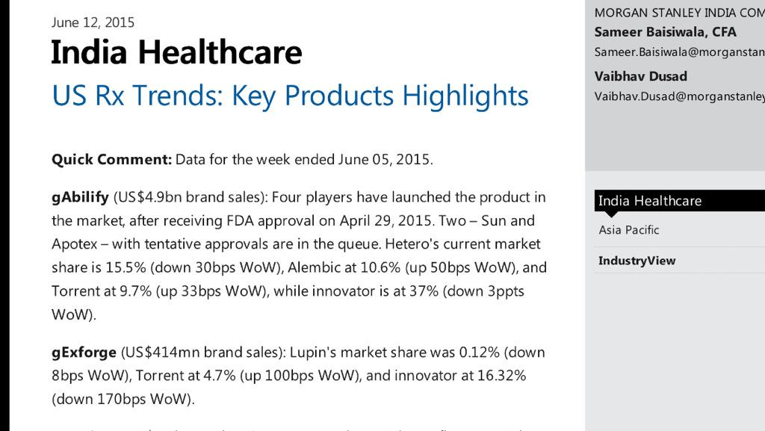
Source: | https://pbs.twimg.com/media/CHygV0RUwAAiJPL.jpg:large |  |  | Aripiprazole *Indicative* Sales (U.S.) for APR-MAY-JUNE 2015
 |  |  |  |  | Market Share | Value (INR cr) | Value (USD mn)
 |  |  |  | India (export to U.S.)
 |  |  |  | Alembic | 10.6% | 504.7 | 77.6
 |  |  |  | Torrent | 9.7% | 461.8 | 71.1
 |  |  |  | Hetero | 15.5% | 738.0 | 113.5
 |  |  |  | Sub-Total | 35.8% | 1704.5 | 262.2
 |  |  |  | ROW (non-India production)
 |  |  |  | Otsuka | 37.0% |  | 271.0
 |  |  |  | Teva | 27.2% |  | 199.2
 |  |  |  | Sub-Total | 64.2% |  | 470.3
 |  |  |  | Total (A-M-J 2015) | 100% |  | 732.5

 |  |  |  | Alembic *Indicative* Sales (in INR cr)
 |  |  |  |  |  | Q1FY16 | Q1FY15 | Growth
 |  |  |  | Aripiprazole (less 40% partner commission) |  | 302.8 | 0.0 | -
 |  |  |  | Non-Aripiprazole (assume 10% growth) |  | 510.4 | 464.0 | 10%
 |  |  |  |  |  | 813.2 | 464.0 | 75%

Stunning Statistics
- American population nearly 320 million
- Abilify was prescribed to nearly 9 million Americans (2.8%) in 2014 and grossed $7.89 billion (average $876 per patient) - https://www.minnpost.com/second-opinion/2015/05/has-overprescribing-antipsychotics-become-new-normal
- gAbilify is one of the best volume-value drug, that offers extreme bright chance of enhancing revenue and realisation of Alembic

Notes
- Alembic along with Teva, Torrent and Hetero launched the generic version of Abilify (USD7.9bn) on April 28th
- More filers (~ 18 in total) could hit the market pretty soon depending on individual ANDA approvals
- The incumbents (Teva, Hetero, Alembic and Torrent) would enjoy limited price erosion and a healthy market share till then.

