Economics of PAP
Economics of PAP in 2016
Current Import Price of PAP in Rs./Kg |  |  |  | 150 | Average of last two years |  | PAP Imported in 2016 in KGs |  | 22,736,951 | Average Yearly Price per Unit |  | 143.52 | Value of Import in Cr. | 316
VO's PAP Price |  | 20% | Cheaper than Imports |  |  |  | PAP Imported in 2015 in KGs |  | 20,890,951 | Average Yearly Price per Unit |  | 158.93 | Value of Import in Cr. | 329
VO's Domestic PAP Market in Cr. Per Year |  |  |  |  | 272.84 | Global Market in TPA (Excluding India) |  | 120000 | Expected Market Share Capture |  | 40% | Global Market Value Excluding India |  | 576

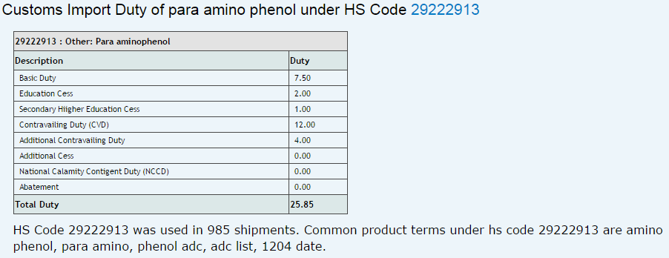
PAP & Butyl Phenols are protected by Customs Duties. The CVD charge is applicable at the discretion of the destination country based on self assessment of subsidies provided by source country.

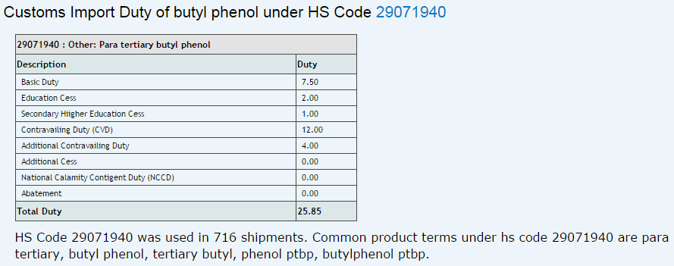
 | Similar import duty of 25% is levied on Butyl Phenols

