Sheet1
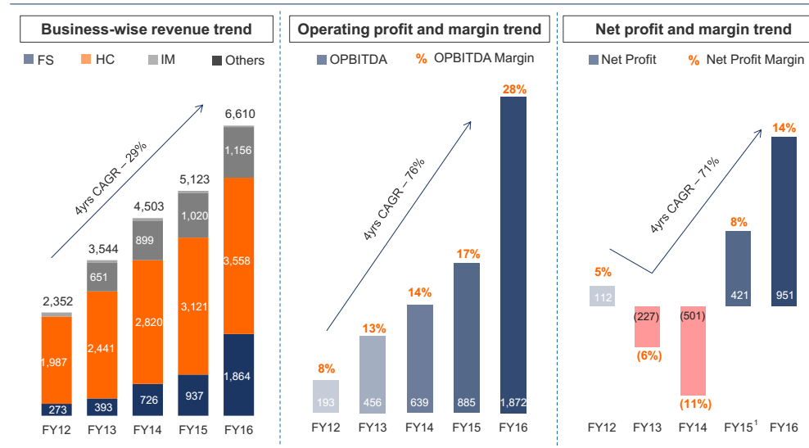
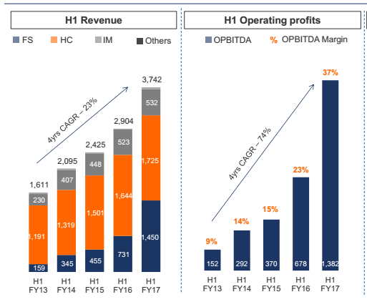

A | ttl financila service sales | 1460
e | lending | 16000
f | asset maa | 9000
 | 4% aum fees annu | 360 | 4% f
B | so half yearly | 180 | assumption
C | other div and some stuff | 50 | assumption

d | lending | 1230 | a-b-c
g | nim % | 7.69% | d/e
g | opt cost | 0.77% | 10%
 | opt cost %/nim | 10.00%
i | opt pat | 6.92% | g-h
j | opt pat financila serv ann | 1107 | i*e
k | half yearly | 553.5 | j/2
L | ttl opt pat | 1382
m | so ttl fs opt pat | 783.5 | b+c+k

n | pharma+ imaging opt pat | 598.5 | l-m |  | opt pat *2 fin | 1567 | m*2
o | pharma + imaging rev | 2250 |  | q | psot credit cost 2% | 4.91875% | i-2%
 | margin | 27% | o/n | r | so ttl | 787 | e*q
 | annaulized opt pat | 1197 | n*2 |  | multiple | 20 | r*20
 | valua 20x | 23940 |  |  | fin servi | 15740
p | per sh @ 18 cr sh | 1330 |  | s | per sh @ 18 cr sh | 874.44444444
 |  |  |  |  | final vaue | 2204.4444444 | s+p

scenatio 2
 | loan book | 19k |  |  |  | pat for nbfc | 19000
 | roa | 6% | assuming 1% credit cost |  |  |  | 6%
 | so pbt 30% | 7.80% |  |  |  |  | 1140
 | opt cost 15% | 8.97% |  |  |  | per half | 570
 | nim |  |  |  |  | ttl pat

