IEX
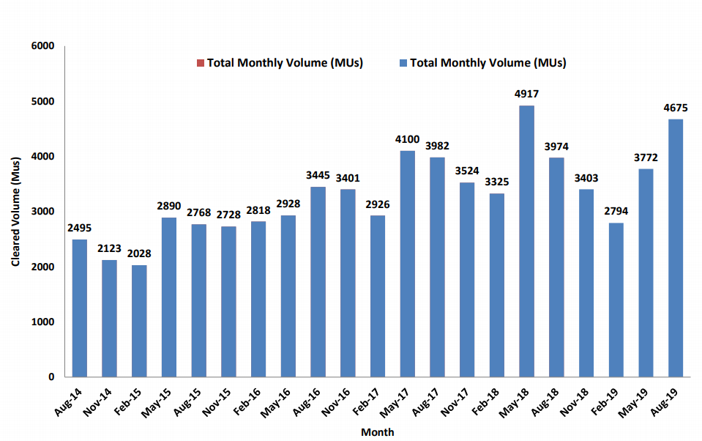
Monthly Volumes but chart shows quarterly
2495
2123
2028
2890
2768
2728
2818
2928
3445
3401
2926
4100
3982
3524
3325
4917
3974
3403
2794
3772
4675

