Goals&Strategy


Products
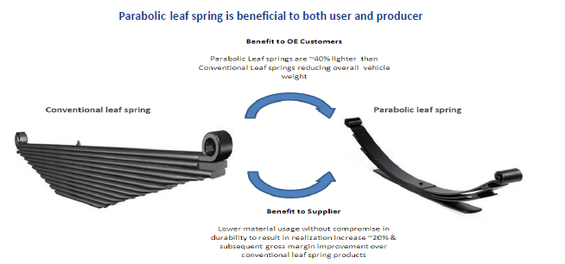

Conventional leaf springs constitute multiple layers of arc-shaped steel strips which form a part of the suspension system of most domestic commercial vehicles in
India and are used to hold the axle in position. The presence of multiple layers (or leaves) increases the weight and friction between the leaf layers and reduces
riding comfort. Parabolic leaf springs perform the same function as that of conventional leaf springs but with a lower number of leaf layers, resulting in lower weight
and better riding comfort. The reduced weight allows for greater tonnage carrying capacity without compromising fuel efficiency, and better riding comforts and
increases the life of CV suspension systems.

Players


